Quant Impact Partners
All values shown in Millions |  |  |  |  | All values shown in Millions
Statement of Operations: |  |  |  |  | Statement of Assets & Liabilities:
Revenues | 2021 | 2022 | 2023 (Forecasted) |  | Assets | 2021 | 2022 | 2023 (Forecasted)
Management & Advisory Fees | 84.05 | 67.24 | 73.96 |  | Investments in Securities at Value | 377.98 | 232.19 | 341.66
Incentive Fees | 24.29 | 3.00 | 29.29 |  | Cash held by Internal Funds | 52.34 | 32.15 | 47.31
Investment Income (Loss) |  |  |  |  | Cash & Cash Equivalents | 58.15 | 35.72 | 52.56
Principal Investments | 3.76 | (2.16) | (1.82) |  | Accounts Receviable | 5.82 | 3.57 | 5.26
Total Investment Income | 3.76 | (2.16) | (1.82) |  | Deferred Tax Assets | 29.08 | 17.86 | 26.28
Interest & Dividend Revenue | 2.52 | 2.02 | 2.22 |  | Other Receiveables | 58.15 | 35.72 | 52.56
Other | 1.68 | 1.34 | 1.48 |  | Total Assets | 581.51 | 357.22 | 525.64
Total Revenues | 116.30 | 71.44 | 105.13
 |  |  |  |  | Liabilities
Expenses |  |  |  |  | Accrued Management Fees | 37.37 | 20.25 | 27.82
Compensation & Benefits |  |  |  |  | Loans Payable | 160.15 | 86.80 | 119.21
Compensation | 28.29 | 22.63 | 23.76 |  | Accrued Compensation & Benefits | 74.14 | 40.19 | 55.19
Incentive Fee Compensation | 14.58 | 1.80 | 17.57 |  | Operating Lease Liabilities | 13.05 | 7.07 | 9.71
Total Compensation & Benefits | 42.87 | 24.43 | 41.34 |  | Other Payables and Accrued Expenses | 11.86 | 6.43 | 8.83
General, Administrative, & Other | 12.20 | 9.76 | 10.25 |  | Total Liabilities | 296.57 | 160.75 | 220.77
Interest Expense | 6.33 | 3.43 | 4.71 |  | TOTal Equity | 284.94 | 196.47 | 304.87
Fund Expense & Distribution Fees | 5.66 | 5.52 | 4.90 |  | Net Assets | 284.94 | 196.47 | 304.87
Miscellaneous Expenses | (11.58) | 1.23 | (14.60)
Total Expenses | 55.47 | 44.38 | 46.60 |  | Assumptions
 |  |  |  |  | Interest Rate on Debt | 3.95%
Income Before Taxes | 60.83 | 27.07 | 58.53 |  | Effective Tax Rate | 13.70%
Taxes | 8.33 | 3.71 | 8.02 |  | Risk Free Rate | 4.50%
Net Income | 52.49 | 23.36 | 50.51 |  | Spread Indication | 3.25%
 |  |  |  |  | Market Risk Premium | 4.50%
 |  |  |  |  | Beta | 0.893101933

Profit Margin | 0.48047722413 |  |  |  | Expected ROA | 9.61%
Asset Util | 0.21537090504 |  | EV 2023 |  | 380.35
Equity mutiplier | 1.8623979439 |  | Mutiple 1:EV/EBITDA Multiple | = | 6.50 | Debt | (128.04) |  | Re | 4.50% | WACC | 5.33%
ROE | 19% |  | Mutiple 2:EV/EBIT Multiple | = | 7.53 | Cash | 99.87 |  | Rd | 3.95%
 |  |  | Mutiple = 1/2 |  | 1.1587485516 | E/V | 1.76
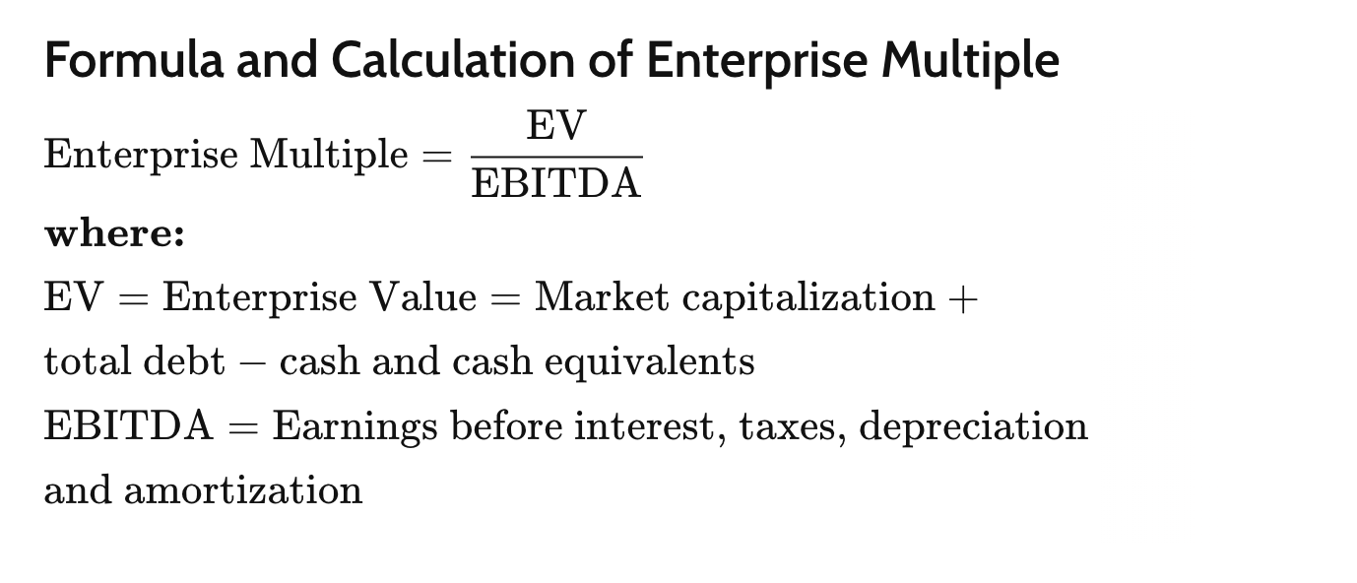
 |  |  |  |  |  | D/V | -0.76357130126 |  | WACC | 5.33%
 |  |  | Total value | = | 295.73665099

 |  |  | EV 2022 | = | 253.98

 |  |  | Mutiple 1:EV/EBITDA Multiple | = | 9.38 | Debt | (93.23) |  | Re | 4.50%
 |  |  | Mutiple 2:EV/EBIT Multiple | = | 10.87 | Cash | 67.87 |  | Rd | 3.95%
 |  |  | Mutiple = 1/2 |  | 1.1587485516 | E (Value of Equity) | 99.23

 |  |  | Total value 2022 | = | 192.4684448

 |  |  | EV 2021 | = | 398.80

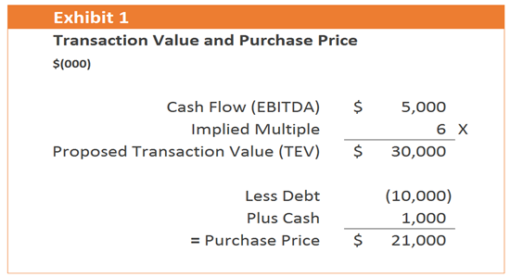
 |  |  | Mutiple 1:EV/EBITDA Multiple | = | 6.56 | Debt | (172.01)
 |  |  | Mutiple 2:EV/EBIT Multiple | = | 7.60 | Cash | 110.49 |  | Re | 4.50%
 |  |  | Mutiple = 1/2 |  | 1.1587485516 | E (Value of Equity) | 180.97 |  | Rd | 3.95%

 |  |  | Total value 2021 | = | 352.98127977

 |  |  |  |  | Purchasing Value of Quant(In millions) | Year
 |  |  |  |  | 352.98127977 | 2021
 |  |  |  |  | 192.4684448 | 2022
 |  |  |  |  | 295.73665099 | 2023

